Months
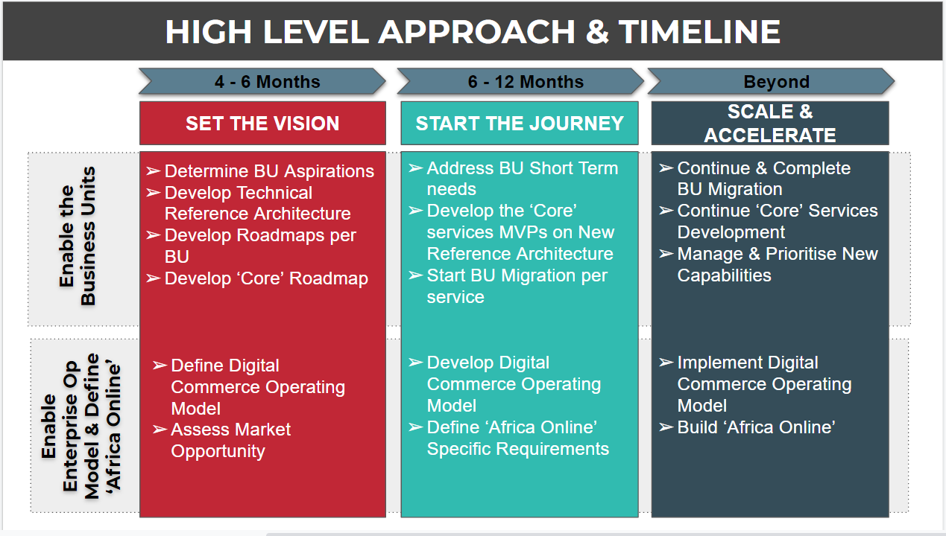
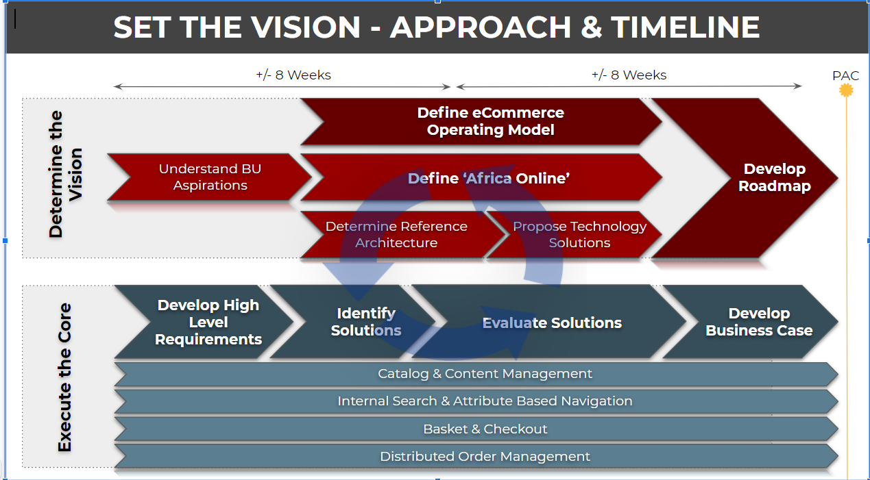
 |  |  | Financial Year |  |  | Financial Year |  |  |  |  |  |  |  |  |  |  |  | Financial Year
 |  |  | April | May | Jun | Jul | Aug | Sep | Oct | Nov | Dec | Jan | Feb | Mar | Apr | May | Jun | Jul | Aug | Sep | Oct | Nov | Dec | Jan | Feb | Mar | Apr | May
Key Events |  | SHP | PAC |  |  |  |  |  |  |  |  |  |  |  | PAC |  |  |  |  |  |  |  |  |  |  |  | PAC
 |  | SHP IT |  |  |  |  |  |  |  |  | Deployment Freeze |  |  |  |  |  |  |  |  |  |  |  | Deployment Freeze
Requirements | Explore and document BU requirements (Phase 1) | ???
 | Define Ecommerce Operational Model
 | Define Reference Architecture
 | Propose Technologies for Reference Architecture
 | Define Africa Online

 | Catalog Managment : Define High Level Requirements
 | Catalog Managment : Identify Solutions
 | Catalog Managment : Evaluate Solutions
 | Catalog Managment : Develop Business Case
 | Internal Search and Navigation : Define High Level Requirements
 | Internal Search and Navigation: Identify Solutions
 | Internal Search and Navigation : Evaluate Solutions
 | Internal Search and Navigation : Develop Business Case
 | Basket and Checkout : Define High Level Requirements
 | Basket and Checkout : Identify Solutions
 | Basket and Checkout : Evaluate Solutions
 | Basket and Checkout : Develop Business Case
 | Distributed Order Management : Define High Level Requirements
 | Distributed Order Management : Identify Solutions
 | Distributed Order Management : Evaluate Solutions
 | Distributed Order Management : Develop Business Case

 | Liquorshop
 | Business Requrements
 | Architectureal Requirements

 | Transpharm Nuco
 | Business Requrements
 | Architectureal Requirements

 | Checkers CFS
 | Business Requrements
 | Architectureal Requirements

Architecture | Digital Commerce : Solution Vision | DA
 | Digital Commerce : Solution Architecture (ARIS Models) - Sign Off | DA
 | Digital Commerce : Domain Architecture (Domain Models) - Sign Off | DA / EA
 | Digital Commerce : Key Design Desicisons | DA / EA
 | Digital Commerce : Reference Architecture | DA / EA /DD
Development | Soure control | DD
 | CI / CD Complete | DD
 | Design | DD
 | Development | DD
 | Test | DD
Infrastucture | Build Infrastructure | DD / DA / BLD6
 | QA Infrastructure | DD / DA / BLD7
 | PREP Infrastructure | DD / DA / BLD8
 | Production Infrastruture | DD / DA / BLD9

 | DA = Domain Architect
 | EA = Enterprise Architect
 | DD = Dimension Data
 | PM = Project Manager
 | MC = Mark

